Sheet1
 | RA | Size
Taurus |  |  |  |  |  |  |  |  | RA clocks:
M1 - Crab Nebula | 5 : 34,5 / 22° 0,8′ | 6 |  |  |  |  |  |  | LST: | 19 | 57
 |  |  |  |  |  |  |  |  | RA | 0 | 10
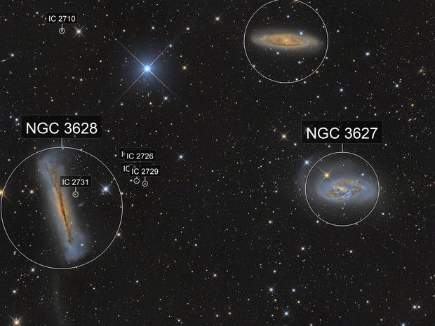
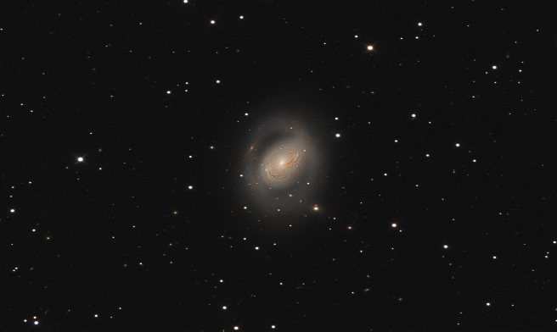
Leo | M95, 105 - small, faint |  |  |  |  |  |  |  | LRA | 19 | 47
Leo Triplet: M65 (NGC 3623)
M 66 (NGC 3627) |  | 6
NGC 3628 - Hamburger Galaxy, či Sarah's Galaxy | 11: 20,3,13° 35,3′ | 7
M96 (foto - H) | 10: 46,7/ 11° 49,2′ | 6

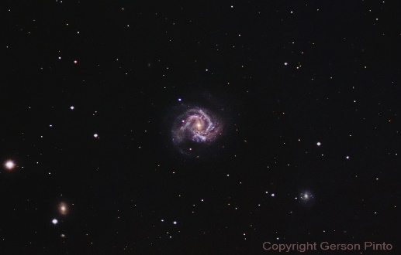
Virgo - 11 MO: 49, 58, 59, 60, 61/ 84, 86, 87, 89, 90/ 104
M61 (NGC 4303) | 12: 21,9/ 4° 28,4′ | 6
M 104 (NGC 4594) Sombrero Galaxy | 2: 39,9/ −11° 37,3′

Sagitarius
15 MO: M 8, 17, 18, 20, 21, 22, 23, 24, 25, 28, 54, 55, 69, 70, 75
M8 - Lagoon Nebula | 18: 3,4/ - 24° 23,2´ | 28 |  |  |  |  |  |  | ;

Aquarius
Helix nb. | 22: 29,6/ −20° 50,2′ | 25 | 2

Pieces
M74 (NGC 628) – Phantom g. | 36,6/ 15° 47*′ | 10 | 3

Ursa Major - see: Virgo, Leo
M81 (NGC 3031) - Bode's Galaxy | 9 : 55,5/ 69° 3,9´ | 20 | 1
M82 (NGC 3034) - Cigar Galaxy | 9 : 55,9/ 69° 40,8′ | 6 | 4
M101 - Pinwheel Galaxy | 14: 3,2/ 54° 20,9′ | 30 | 1

Canes Venatici
M51 (NGC 5194) - Whirlpool Galaxy | 13: 29, 9/ 47° 11,6′ | 10 | 5
M94 (NGC 4736) | 12: 50,9/ 41° 7,2´ | 10 | 6
M106 (NGC 4258) | 12: 18,9 | 13 | 7

Coma Berenices | M85, 88, 91, 98, 99 - faint small
M64 - Black Eye Galaxy (či Evil Eye Galaxy) | 12: 56,6/ 21° 40,9´ | 6 | 8
M100 | 12 : 22,9/ 15° 49,3′ | 10 | 9

Cassiopeia |  |  |  |  |  |  | Cassiopeia | Check-Points
Heart nb. | 2 : 33,3/ 61° 26,6′ | 1,5° | 1 |  |  |  | B-Cas | 0 : 10,4; 59° 15,2´
Soul Nebula aka Westerhout 5 - IC 1848 | 2 : 55,5/ 60° 24,6′ | 1,5° | 2
Bubble Nebula - NGC 7635 | 23: 20,8/ 61° 12,1′ | 12 | 2
Pacman Nebula | 0 : 52,99; 56° 37,33´ | 35´
Fishhead Nebula (IC 1795) | 2 : 27,3; 62° 5,3´ |  |  |  |  | (2h 27m 24.552s; 62° 05' 23.010")

Cepheus
The Lion Nebula (pozn.: Faint) | 22: 18,3'/ 55° 54,3' | 45 | 1
Elephant's Trunk Nebula - IC 1396A | 21: 35,6/ 57° 24*' | 45 | 2
Iris nebula (NGC 7023, Cdl 4) - pozn. Hard to c. | 21: 1/ 68° 10,1′ | 18 | 3

Andromeda
M31 Andromeda Galaxy NGC 224 (AM 3,4) | 0 : 42,6/ 41° 16,2′ | 3x1° | 3

Perseus
California nb. | 4 : 3,3/ 36° 25,3′ | 2,5° | 3
To small: M 76 - Little Dumbbell Nebula |  | 2
 |  |  |  |  | v
 |  |  |  |  |  |  | Auriga | Check-Points
Flaming star nb. | 5 : 16*/ 34° 27,8′ | 30x15 | 4 |  |  |  | Capella | 5 : 18,3; 46° 01,0´

Triangulum
Triangulum g. | 1 : 33, 9/ 30° 39, 6′ | ~1° | 4

Lyra |  |  |  |  |  |  | Lyra
Very small: M57 Ring nb. |  | 4 |  |  |  |  | Vega | 18 : 37,6; 38° 48,1´

Cygnus
North American nb. | 20: 59,3/ 44° 31,6′ | 2° | 4 |  |  | 20h 59m 17.1s; 44° 31′ 44″
Pelican nb. | 20: 50,7/ 44° 21*′ | 1° | 5
The East Veil nb. | 20: 45,6/ 30° 42,5′ | 3° | 6 |  |  | 20h 45m 38.0; 30° 42′ 30″
Fireworks Galaxy – NGC 6946 | 20: 34,9/ 60° 09,1′ | 10 | 7
Sadr reg. (Dif. Em. Nb) | 20: 16,7/ 41° 57,3′ | 40x20 | 4
Crescent Nebula |  | 20´ |  |  |  | 20h 12m 7s; 38° 21.3′

Vulpecula
M27 Dumb bell nb |  | 7 | 5

Serpens
M16 Eagle nb. (zde Pillars of creation) | 18: 18,7/ −13° 49,0′ | 7 | 6

Orion
Horsehead nb. - NGC 434 | 5 : 41,0/ −2° 27,5′ | 55 | 7
Flame nb. - NGC 2024 | 5 : 41,9/ −1° 51,0´ | 30 | 5
M42 Orion nb. - NGC 1976 | 5 : 35,3/ −5° 23,3′ | 60 | 8
M43 De Mairan's Nebula | 5 : 35,5/ -5° 18,0′ | 17 | 7
M78 | 5 : 46,6/ 0° 1,0′ | 7 | 8
 |  |  |  | Nebulas |  |  |  |  | Galaxies
Monoceros |  |  |  | 6 az 25 | 25 az 35 | 35 az 45 | 45 plus |  | 30 plus | 10 az 30 | 6 az 10
Rosette nb. - NGC 2244 (či Caldwell 49) | 6 : 33,7/ 4° 59,9′ | 1,3° | 9 | 8 | 5 | 2 | 9 |  | 4 | 1 | 9
Christamas tree nb. |  |  |  |  |  | Sum | 24 |  |  | Sum | 14

